Summer Calendar
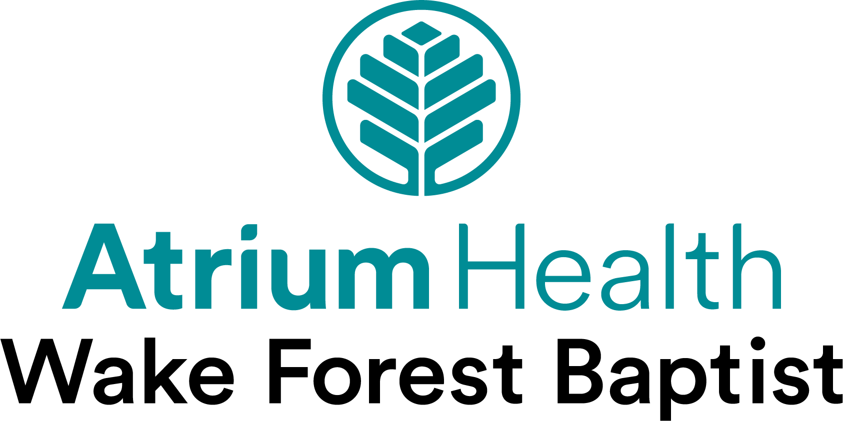
Wake Wednesdays
 | June 4th - 8:30-11:00am
 | Networking | Breakfast with Leaders: Intern Red Carpet Kickoff Historic Graylyn Conference Center 1900 Reynolda Rd, Winston Salem, NC 27106

 | June 11th - 8:00am-12:00pm
 | Professional Headshot Photos Get your professional headshot taken by our Marketing Photographer
 | June 12th - 4:00-5:30pm
Welcome to Winston Salem Chamber Kickoff | The Barn at Reynolda Village Career insights and highlights of Winston Salem, food, and networking. For more information contact Joanna Mitchell at jmitchell@winstonsalem.com or 336-728-9252

 | June 14th 7:00-9:30pm
 | Advocate Health/Atrium Health Wake Forest Baptist Teammate Night at the DASH Game Free Ticket

 | June 18th - 10:00-12:00pm
 | Eric Kirkendall | Chief Information Officer Academic Health BioTech Auditorium

 | June 18th - 7:00-9:30pm
 | Winston Salem Chamber Social at the DASH Game | Interns gather for a fun night, game ticket included. For more information about the Greater Winston Salem events contact Joanna Mitchell at jmitchell@winstonsalem.com or 336-728-9252.

 | June 25th - 10:00am-12:00pm
 | Tour | WFIRM: Institute for Regenerative Medicine Tour 391 Technology Way, Winston Salem, NC 27101 Arrive @ 9:45, *Sign up required

 | July 8th - 8:00-12:00pm
 | Professional Headshot Photos Get your professional headshot taken by our Marketing Photographer

 | July 9th - 9:00-11:00am
 | Experimental Learning | Center for Experiential Learning: Hands On Training Wake Forest University School of Medicine

 | July 16th - 9:00-11:00am
 | Innovation | Emerging Technologies: 3D Medical Imaging, 3D Printing, VR/XR, and AI, Tour of Ricoh 3D Studio - Bench to Bedside Business One Technology Place, 200 E 1st St, Winston-Salem, NC 27101, Fourth Floor, Suite 430

 | July 23rd 9:30-11:30am
 | Servant Leadership Training | Professional Trainer Greg Jones Biotech Auditorium

 | July 30th - 10:00-11:00am
 | Digital Innovation in Healthcare | Paul Yelton BioTech Auditorium

